F4.0 Dep and Ind by Gender
Figure 4.0 of the 2020 ISAC Data Book
Monetary Award Recipients by Gender and Dependency Status, FY2020

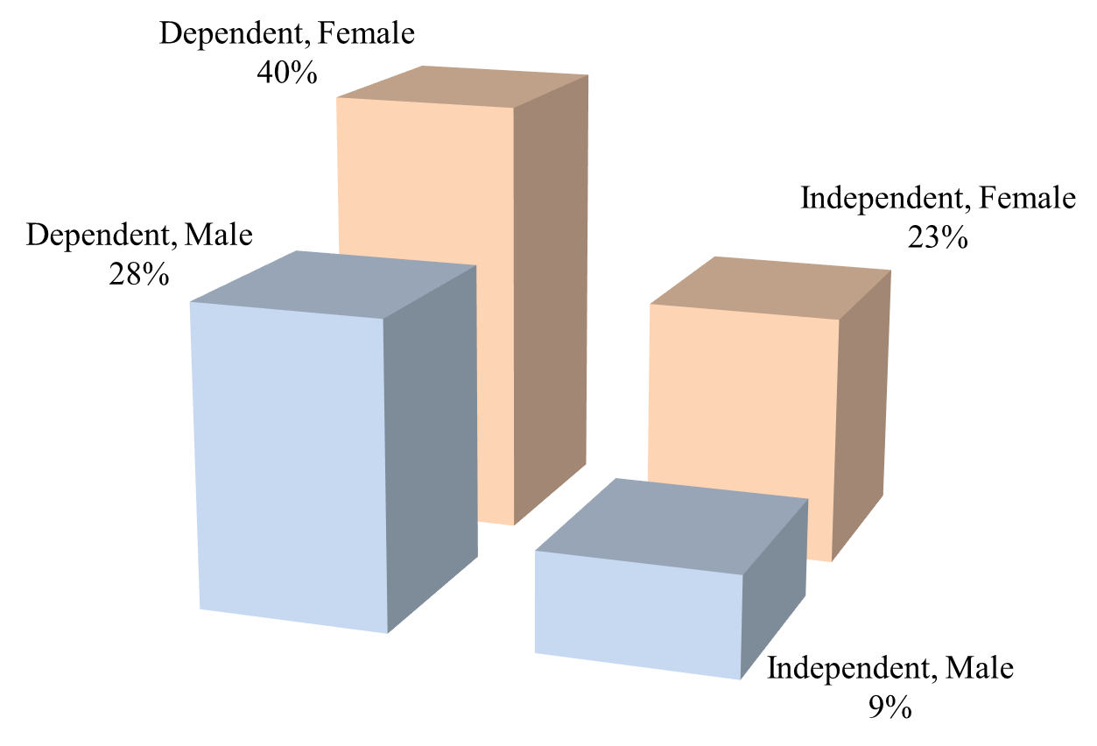

 | MAP Recipients, FY2020

 |  | Dependent | Independent | Total

 | Male | 38,362 | 12,529 | 50,891 | 138,811 | Recipients for which ISAC has a gender designation
 | Female | 56,056 | 31,864 | 87,920 | 110 | Recipients for which ISAC does not have a gender designation
 | Total | 94,418 | 44,393 | 138,811 | 138,921 | Total recipients

