F4.0 Dep and Ind by Gender
Figure 4.0 of the 2019 ISAC Data Book
Monetary Award Recipients by Gender and Dependency Status, FY2019

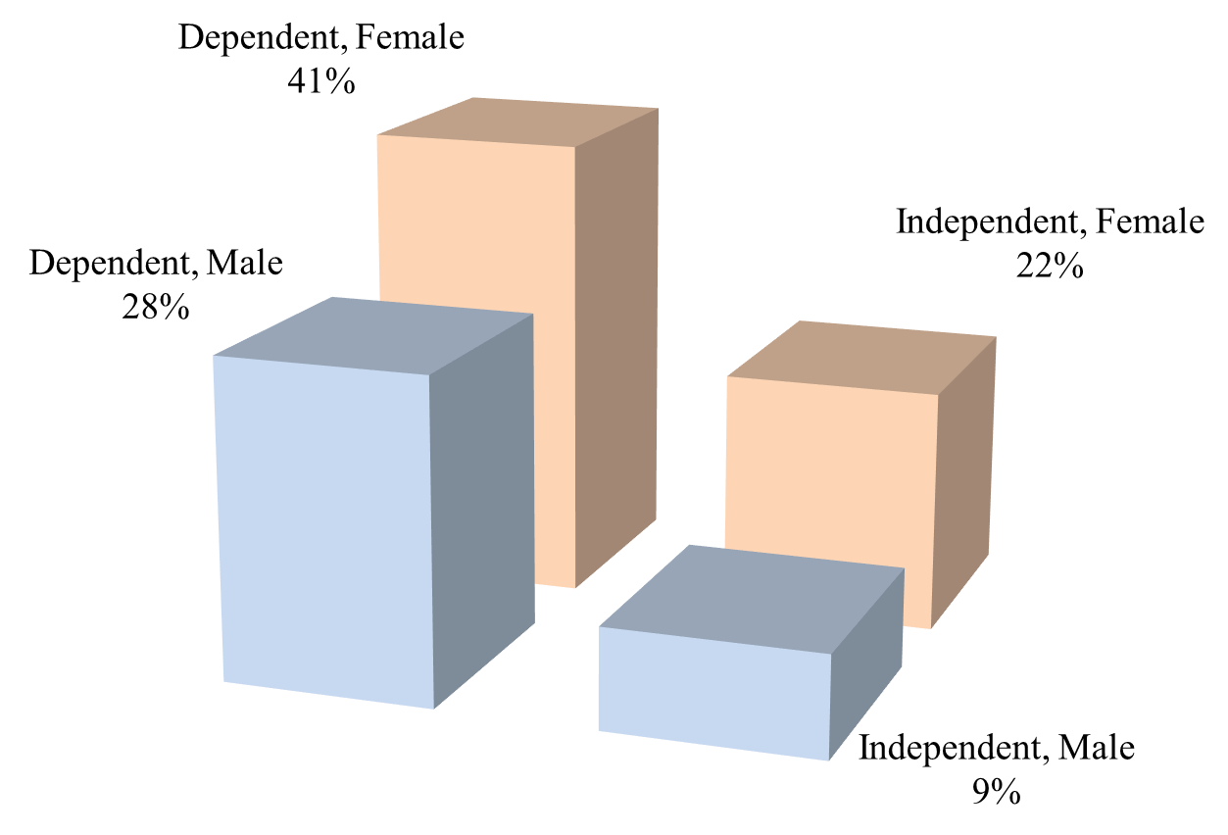

 | MAP Recipients, FY2019

 |  | Dependent | Independent | Total

 | Male | 36,445 | 11,416 | 47,861 | 128,496 | Recipients for which ISAC has a gender designation
 | Female | 53,024 | 27,611 | 80,635 | 369 | Recipients for which ISAC does not have a gender designation
 | Total | 89,469 | 39,027 | 128,496 | 128,865 | Total recipients

