F4.0 Dep and Ind by Gender
Figure 4.0 of the 2022 ISAC Data Book
Monetary Award Recipients by Gender and Dependency Status, FY2022

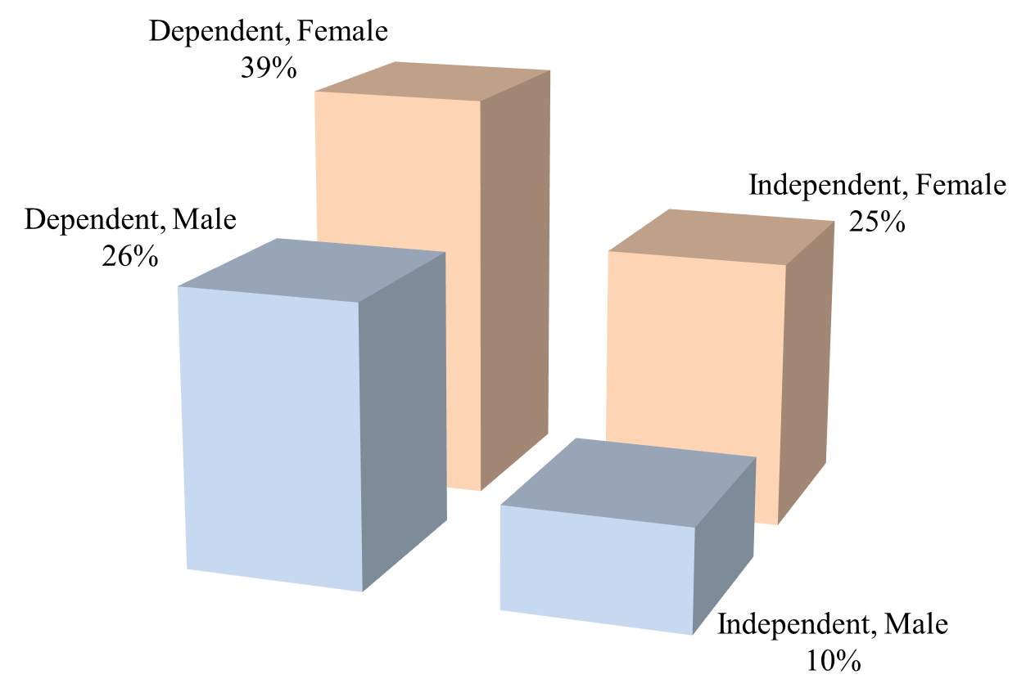

 | MAP Recipients, FY2022

 |  | Dependent | Independent | Total

 | Male | 37,791 | 13,749 | 51,540 | 144,007 | Recipients for which ISAC has a gender designation
 | Female | 56,006 | 36,461 | 92,467 | 1,619 | Recipients for which ISAC does not have a gender designation
 | Total | 93,797 | 50,210 | 144,007 | 145,626 | Total recipients

